Sheet1
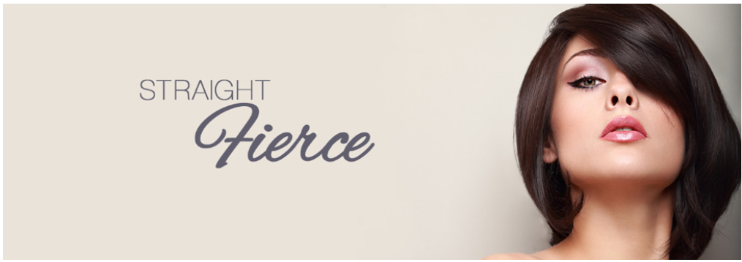
 | Product Picture | Name | SKU Number | QTY
 | 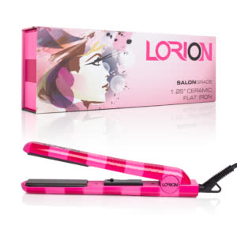 | 1.25 " Ceramic Flat Iron Stripes N38VS | LOR703-HB-00013 | 360
 | 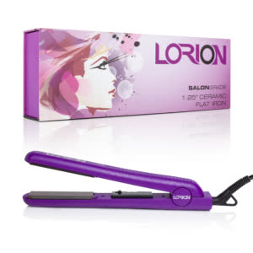 | 1.25 " Ceramic Flat Iron Purple N38PU | LOR703-HB-00012 | 780
 | 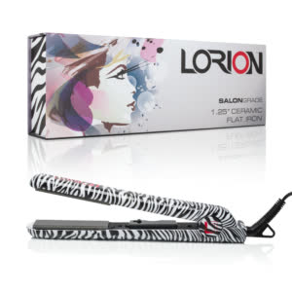 | 1.25 " Ceramic Flat Iron Zebra N38Z | LOR703-HB-00037 | 760
 | 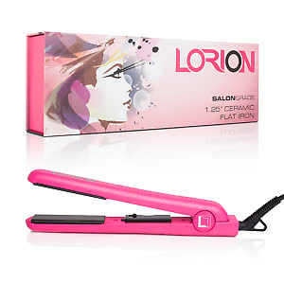 | 1.25 " Ceramic Flat Iron Hot Pink N38HP | LOR703-HB-00009 | 840
 | 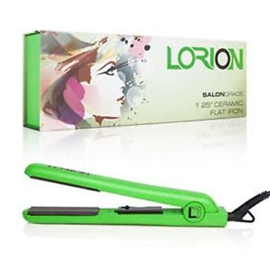 | 1.25 " Ceramic Flat Iron Green N38GR | LOR703-HB-00007 | 820
 | 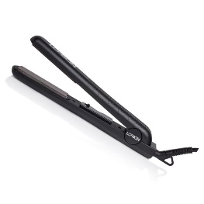 | 1.25 " Ceramic Flat Iron Black N38B | LOR703-HB-00003 | 500
 | 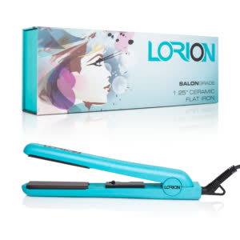 | 1.25 " Ceramic Flat Iron Turquoise N38TU | LOR703-HB-00015 | 460
 | 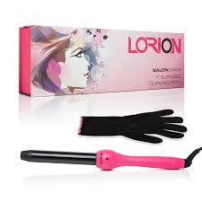 | 1'' Curling Iron Hot Pink NC1-25HP | LOR703-HB-00191 | 500
 | 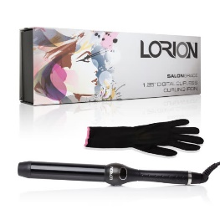 | 1.25 inch Digital Black Curling Irons NC232B | LOR703-HB-00189 | 380
 | 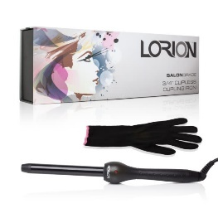 | 3/4 " Curling Iron Black NC119B | LOR703-HB-00004 | 160
 | TOTAL UNITS |  |  | 5560

 |  | QTY | YOUR PRICE |  | CANT. | PRECIO

 |  | 2000 | $11.90 |  | 2000 | $11.90
 |  | TAKE ALL | ASK US |  | Lleve todas 5.560 | Contactenos

 |  | Product conditions |  |  | Condiciones
 |  | Brand new in Original Boxes |  |  | Producto Nuevo en caja original

 |  | MSRP | $249.99 |  | Precio publico | $249.99
 |  | https://www.amazon.com/Lorion-SALON-GRADE-CERAMIC-STRAITENING/dp/B077FL2S8L

 |  | EXW MIAMI |  |  | EXW MIAMI

